Map 1
 |  | Health
 |  | Health determinants – lifestyles – people who are overweight

 |  | Map 1: Share of overweight people aged 16 years or over, 2022
 |  | (%)

 |  | Code | Label | Value | Class | Flag | EU = 50.6
 |  | BE | Belgium | 48.2 | 5
 |  | BG | Bulgaria | 52.9 | 4
 |  | CZ | Czechia | 55.4 | 3 |  | ≥ 58.0 | 1
 |  | DK | Denmark | 54.0 | 3 |  | 56.0 – < 58.0 | 2
 |  | DE | Germany | : | : |  | 53.0 – < 56.0 | 3
 |  | EE | Estonia | 56.4 | 2 |  | 50.6 – < 53.0 | 4
 |  | IE | Ireland | 52.1 | 4 | u | 46.0 – < 50.6 | 5
 |  | EL | Greece | 54.4 | 3 |  | < 46.0 | 6
 |  | ES | Spain | 50.4 | 5 |  | Not available | :
 |  | FR | France | 45.4 | 6
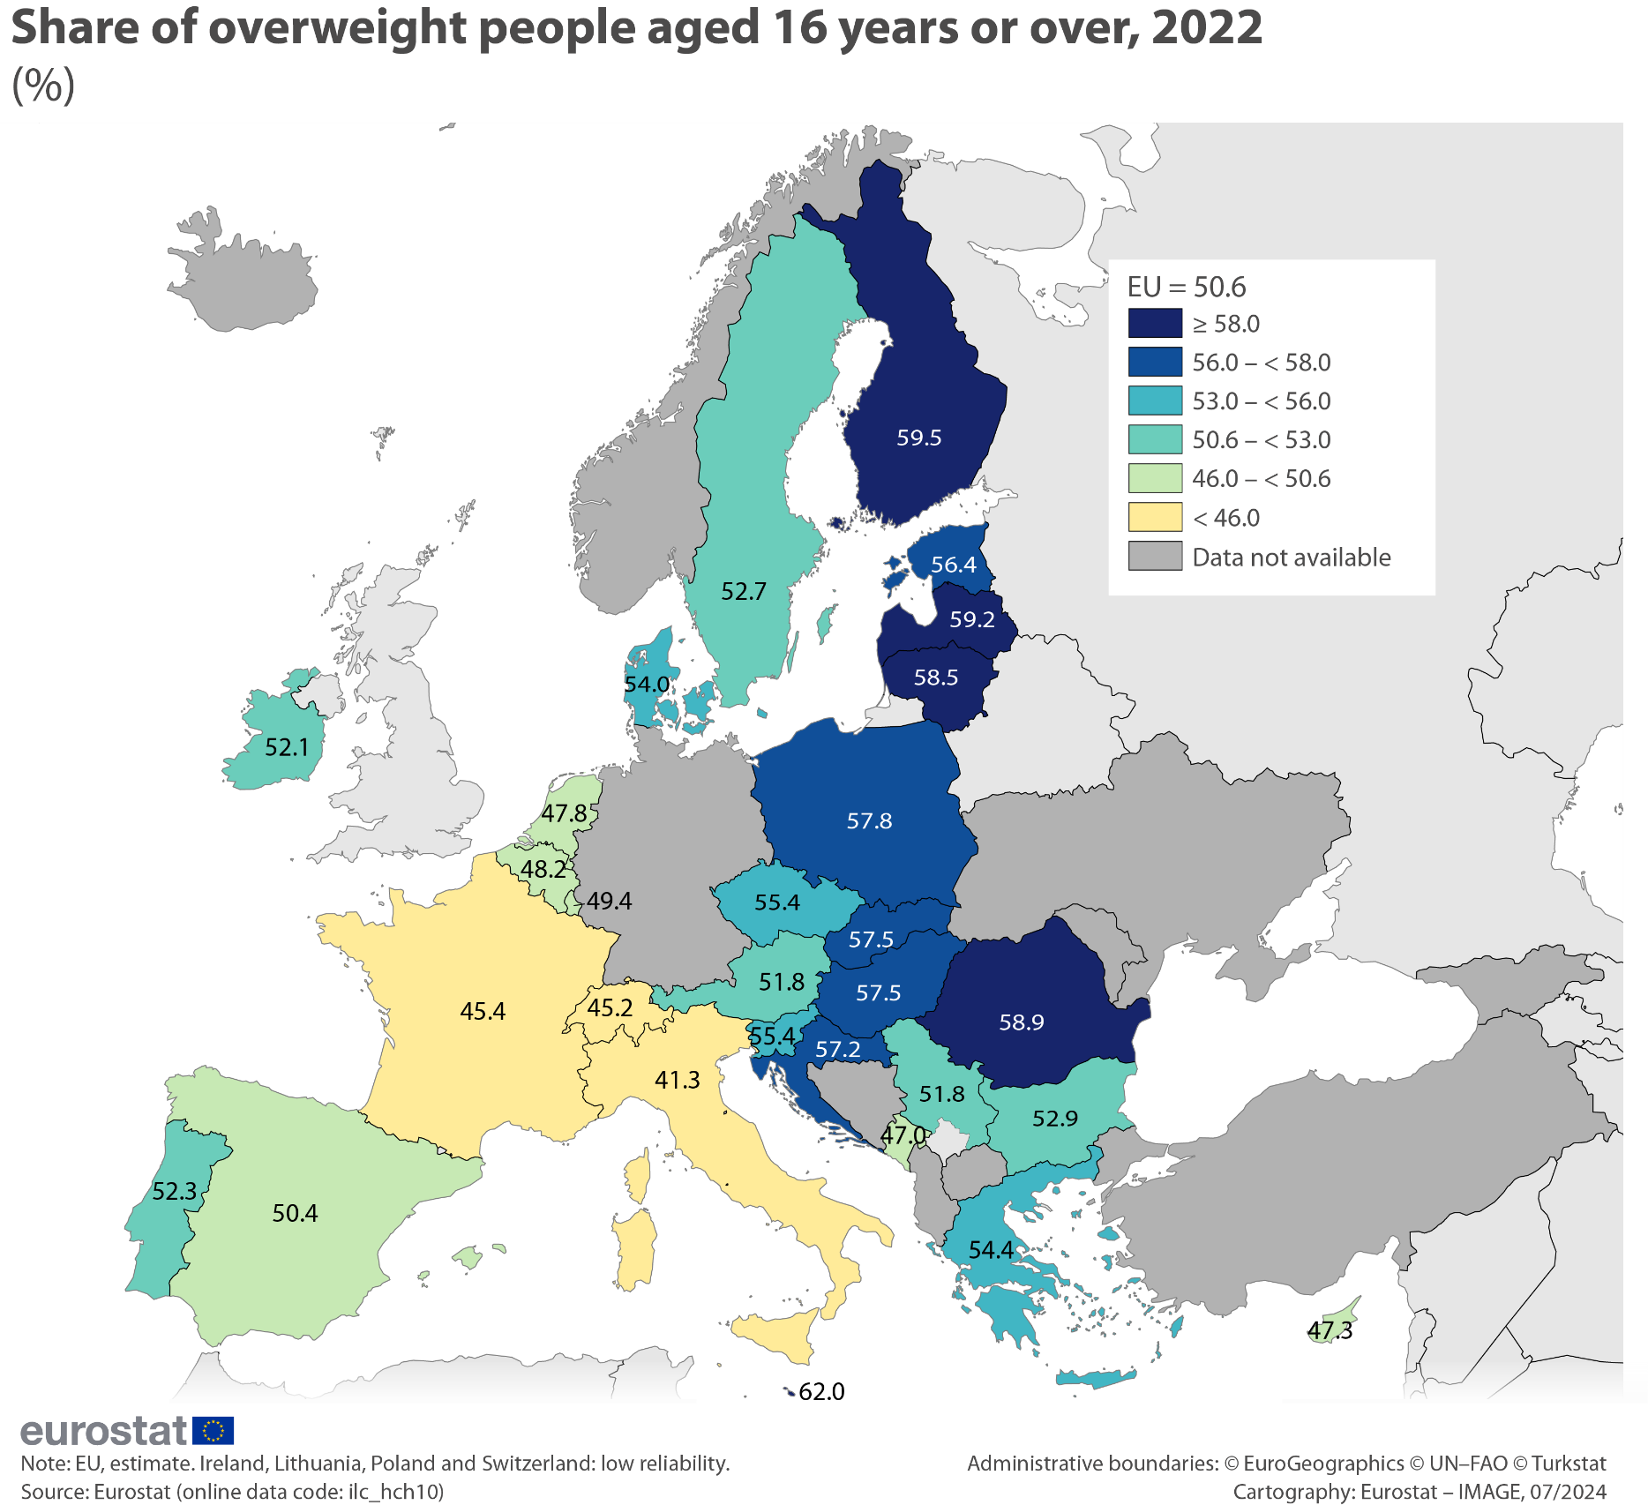
 |  | HR | Croatia | 57.2 | 2
 |  | IT | Italy | 41.3 | 6
 |  | CY | Cyprus | 47.3 | 5
 |  | LV | Latvia | 59.2 | 1
 |  | LT | Lithuania | 58.5 | 1 | u
 |  | LU | Luxembourg | 49.4 | 5
 |  | HU | Hungary | 57.5 | 2
 |  | MT | Malta | 62.0 | 1
 |  | NL | Netherlands | 47.8 | 5
 |  | AT | Austria | 51.8 | 4
 |  | PL | Poland | 57.8 | 2 | u
 |  | PT | Portugal | 52.3 | 4
 |  | RO | Romania | 58.9 | 1
 |  | SI | Slovenia | 55.4 | 3
 |  | SK | Slovakia | 57.5 | 2
 |  | FI | Finland | 59.5 | 1
 |  | SE | Sweden | 52.7 | 4
 |  | IS | Iceland | : | :
 |  | LI | Liechtenstein | : | :
 |  | NO | Norway | 52.8 | 4
 |  | CH | Switzerland | 45.2 | 6 | u
 |  | BA | Bosnia and Herzegovina | : | :
 |  | ME | Montenegro | 47.0 | 5
 |  | MD | MD | : | :
 |  | MK | North Macedonia | : | :
 |  | GE | Georgia | : | :
 |  | AL | Albania | : | :
 |  | RS | Serbia | 51.8 | 4
 |  | TR | Türkiye | : | :
 |  | UA | Ukraine | : | :

 |  | Note: EU, estimate. Ireland, Lithuania, Poland and Switzerland: low reliability.
 |  | Source: Eurostat (online data code: ilc_hch10)

Bookmark
ilc_hch10 | https://ec.europa.eu/eurostat/databrowser/bookmark/22525bc5-9e07-4151-8d9d-f58f256a8b20?lang=en

Figure 1
 |  | Health
 |  | Health determinants – lifestyles – people who are overweight

 |  | Figure 1: Share of pre-obese and obese perspons aged 16 years or over, by sex, 2022
 |  | (%)

Share of pre-obese and obese persons aged 16 years or over, by sex, 2022 (%)
 | Males: obese | Males: pre-obese | Women: obese | Women: pre-obese
EU (¹) | 15.4 | 43.3
 |  |  | 13.8 | 29.2
Belgium | 16.6 | 37.5
 |  |  | 14.5 | 28.1
Bulgaria | 13.4 | 49.0
 |  |  | 9.8 | 34.4
Czechia | 18 | 44.5
 |  |  | 16.8 | 31.9
Denmark | 19.1 | 42.0
 |  |  | 19.3 | 28.3
Estonia | 20.3 | 40.7
 |  |  | 22.9 | 29.6
Ireland (²) | 21.7 | 39.1
 |  |  | 17.1 | 26.4
Greece | 12.1 | 50.4
 |  |  | 11.5 | 35.3
Spain | 16.1 | 42.8
 |  |  | 13.4 | 28.9
France | 14.7 | 36.8
 |  |  | 14.9 | 24.8
Croatia | 20.8 | 48.6
 |  |  | 12.5 | 33.4
Italy | 7.9 | 44.1
 |  |  | 6.1 | 25.2
Cyprus | 16.1 | 41.4
 |  |  | 10.6 | 27.0
Latvia | 21.3 | 41.2
 |  |  | 23.9 | 32.7
Lithuania (²) | 19.8 | 43.1
 |  |  | 20.7 | 34.2
Luxembourg | 18.7 | 40.7
 |  |  | 14.8 | 23.5
...
 |  |  | Males: obese | Males: pre-obese | Women: obese | Women: pre-obese
 | 0
 | 1 | EU (¹) | 15.4 | 43.3
 | 1 |  |  |  | 13.8 | 29.2
 | 1
 | 2
 | 2
 | 2
 | 3 | Belgium | 16.6 | 37.5
 | 3 |  |  |  | 14.5 | 28.1
 | 3
 | 4 | Bulgaria | 13.4 | 49.0
 | 4 |  |  |  | 9.8 | 34.4
 | 4
 | 5 | Czechia | 18.0 | 44.5
 | 5 |  |  |  | 16.8 | 31.9
 | 5
 | 6 | Denmark | 19.1 | 42.0
 | 6 |  |  |  | 19.3 | 28.3
 | 6
 | 7 | Estonia | 20.3 | 40.7
 | 7 |  |  |  | 22.9 | 29.6
 | 7
 | 8 | Ireland (²) | 21.7 | 39.1
 | 8 |  |  |  | 17.1 | 26.4
 | 8
 | 9 | Greece | 12.1 | 50.4
 | 9 |  |  |  | 11.5 | 35.3
 | 9
 | 10 | Spain | 16.1 | 42.8
 | 10 |  |  |  | 13.4 | 28.9
 | 10
 | 11 | France | 14.7 | 36.8
 | 11 |  |  |  | 14.9 | 24.8
 | 11
 | 12 | Croatia | 20.8 | 48.6
 | 12 |  |  |  | 12.5 | 33.4
 | 12
 | 13 | Italy | 7.9 | 44.1
 | 13 |  |  |  | 6.1 | 25.2
 | 13
 | 14 | Cyprus | 16.1 | 41.4
 | 14 |  |  |  | 10.6 | 27.0
 | 14
 | 15 | Latvia | 21.3 | 41.2
 | 15 |  |  |  | 23.9 | 32.7
 | 15
 | 16 | Lithuania (²) | 19.8 | 43.1
 | 16 |  |  |  | 20.7 | 34.2
 | 16
 | 17 | Luxembourg | 18.7 | 40.7
 | 17 |  |  |  | 14.8 | 23.5
 | 17
 | 18 | Hungary | 24.2 | 40.1
 | 18 |  |  |  | 19.6 | 31.7
 | 18
 | 19 | Malta | 28.7 | 40.7
 | 19 |  |  |  | 22.7 | 31.2
 | 19
 | 20 | Netherlands | 13.0 | 38.7
 | 20 |  |  |  | 14.2 | 29.7
 | 20
 | 21 | Austria | 18.5 | 42.0
 | 21 |  |  |  | 16.3 | 27.2
 | 21
 | 22 | Poland | 20.1 | 46.9
 | 22 |  |  |  | 17.0 | 33.0
 | 22
 | 23 | Portugal | 15.7 | 42.2
 | 23 |  |  |  | 15.4 | 31.8
 | 23
 | 24 | Romania | 10.2 | 57.1
 | 24 |  |  |  | 10.1 | 41.0
 | 24
 | 25 | Slovenia | 21.8 | 43.6
 | 25 |  |  |  | 14.2 | 32.3
 | 25
 | 26 | Slovakia | 19.0 | 50.4
 | 26 |  |  |  | 14.7 | 31.6
 | 26
 | 27 | Finland | 21.8 | 43.0
 | 27 |  |  |  | 22.0 | 32.5
 | 27
 | 28 | Sweden | 17.5 | 41.1
 | 28 |  |  |  | 16.5 | 30.2
 | 28
 | 29
 | 29
 | 29
 | 30 | Norway | 18.1 | 41.4
 | 30 |  |  |  | 14.9 | 30.6
 | 30
 | 31 | Switzerland (²) | 14.7 | 39.8
 | 31 |  |  |  | 12.1 | 24.0
 | 31
 | 32
 | 32
 | 32
 | 33 | Montenegro | 9.3 | 50.7
 | 33 |  |  |  | 6.0 | 28.6
 | 33
 | 34 | Albania | 11.3 | 51.0
 | 34 |  |  |  | 13.4 | 37.5
 | 34
 | 35 | Serbia | 13.7 | 50.0
 | 35 |  |  |  | 9.3 | 31.1
 | 35
 | 36 | Türkiye | 16.7 | 42.3
 | 36 |  |  |  | 22.2 | 33.0
 | 36

 |  | Note: Germany, not available.
 |  | (¹) Estimate.
 |  | (²) Low reliability.
 |  | Source: Eurostat (online data code: ilc_hch10)

Bookmark
ilc_hch10 | https://ec.europa.eu/eurostat/databrowser/bookmark/18a889d3-e9e2-47e5-b2f8-c45d0c39ac36?lang=en

Figure 2
 |  | Health
 |  | Health determinants – lifestyles – people who are overweight

 |  | Figure 2: Share of females aged 16 years or over who were overweight, by educational level, 2022
 |  | (%)

Share of females aged 16 years or over who were overweight, by educational level, 2022 (%)
 | Upper secondary and post-secondary non-tertiary education | Lower secondary education or less | Tertiary education | Lower secondary education or less | Upper secondary and post-secondary non-tertiary education | Tertiary education
EU (¹) | 45.0 | 50.3 | 33.0
Latvia | 62.9 | 53.0 | 50.1
Lithuania (²) | 61.2 | 58.5 | 46.8
Finland | 53.3 | 60.2 | 52.3
Malta | 50.5 | 62.0 | 42.2
Estonia | 58.9 | 51.8 | 47.3
Hungary | 53.9 | 52.9 | 45.0
Romania | 52.8 | 55.1 | 36.6
Poland (²) | 55.5 | 56.9 | 36.1
Czechia | 53.8 | 47.1 | 34.8
Denmark | 51.3 | 52.0 | 42.8
Portugal | 39.6 | 58.4 | 33.1
Greece | 42.2 | 59.5 | 36.5
Sweden | 50.6 | 51.1 | 40.5
Slovenia | 51.5 | 59.0 | 35.3
Slovakia | 51.2 | 52.5 | 28.1
Croatia | 45.3 | 58.8 | 31.7
Bulgaria | 44.4 | 51.3 | 38.2
Netherlands | 47.2 | 53.9 | 35.2
Ireland (²) | 47.5 | 41.3 | 41.7
Austria | 45.5 | 53.9 | 31.6
Belgium | 44.9 | 52.0 | 36.1
Spain | 36.8 | 55.4 | 31.5
France | 41.7 | 49.4 | 28.8
Luxembourg | 42.0 | 50.0 | 30.5
Cyprus | 37.9 | 52.8 | 28.3
Italy | 27.3 | 39.1 | 21.6
Norway | 48.0 | 49.9 | 41.3
Switzerland (²) | 38.4 | 49.0 | 28.1
Serbia | 39.8 | 52.3 | 26.8
Montenegro | 34.1 | 43.4 | 24.8
 |  |  | Lower secondary education or less | Upper secondary and post-secondary non-tertiary education | Tertiary education | Total | Lower secondary education or less | Upper secondary and post-secondary non-tertiary education | Tertiary education
 |  | EU (¹) | 50.3 | 45.0 | 33.0 | 43.0

 |  | Latvia | 53.0 | 62.9 | 50.1 | 56.7
 |  | Lithuania (²) | 58.5 | 61.2 | 46.8 | 54.9
 |  | Finland | 60.2 | 53.3 | 52.3 | 54.5
 |  | Malta | 62.0 | 50.5 | 42.2 | 53.9
 |  | Estonia | 51.8 | 58.9 | 47.3 | 52.6
 |  | Hungary | 52.9 | 53.9 | 45.0 | 51.4
 |  | Romania | 55.1 | 52.8 | 36.6 | 51.1
 |  | Poland (²) | 56.9 | 55.5 | 36.1 | 50.0
 |  | Czechia | 47.1 | 53.8 | 34.8 | 48.7
 |  | Denmark | 52.0 | 51.3 | 42.8 | 47.6
 |  | Portugal | 58.4 | 39.6 | 33.1 | 47.3
 |  | Greece | 59.5 | 42.2 | 36.5 | 46.8
 |  | Sweden | 51.1 | 50.6 | 40.5 | 46.7
 |  | Slovenia | 59.0 | 51.5 | 35.3 | 46.5
 |  | Slovakia | 52.5 | 51.2 | 28.1 | 46.4
 |  | Croatia | 58.8 | 45.3 | 31.7 | 45.9
 |  | Bulgaria | 51.3 | 44.4 | 38.2 | 44.1
 |  | Netherlands | 53.9 | 47.2 | 35.2 | 43.9
 |  | Ireland (²) | 41.3 | 47.5 | 41.7 | 43.5
 |  | Austria | 53.9 | 45.5 | 31.6 | 43.5
 |  | Belgium | 52.0 | 44.9 | 36.1 | 42.6
 |  | Spain | 55.4 | 36.8 | 31.5 | 42.4
 |  | France | 49.4 | 41.7 | 28.8 | 39.7
 |  | Luxembourg | 50.0 | 42.0 | 30.5 | 38.3
 |  | Cyprus | 52.8 | 37.9 | 28.3 | 37.7
 |  | Italy | 39.1 | 27.3 | 21.6 | 31.3

 |  | Norway | 49.9 | 48.0 | 41.3 | 45.4
 |  | Switzerland (²) | 49.0 | 38.4 | 28.1 | 36.0

 |  | Serbia | 52.3 | 39.8 | 26.8 | 40.5
 |  | Montenegro | 43.4 | 34.1 | 24.8 | 34.6

 |  | Note: ranked on the overall share of females who were overweight. Germany: not available.
 |  | (¹) Estimates.
 |  | (²) Low reliability.
 |  | Source: Eurostat (online data code: ilc_hch10)

Bookmark
ilc_hch10 | https://ec.europa.eu/eurostat/databrowser/bookmark/1fac6896-a020-4b4f-8503-b2bcf8ac014b?lang=en

Figure 3
 |  | Health
 |  | Health determinants – lifestyles – people who are overweight

 |  | Figure 3: Share of males aged 16 years or over who were overweight, by educational level, 2022
 |  | (%)

Share of males aged 16 years or over who were overweight, by educational level, 2022 (%)
 | Lower secondary education or less | Upper secondary and post-secondary non-tertiary education | Tertiary education | Upper secondary and post-secondary non-tertiary education | Lower secondary education or less | Tertiary education
EU (¹) | 58.7 | 61.3 | 54.7
Croatia | 62.0 | 72.0 | 67.3
Malta | 75.7 | 65.6 | 60.4
Slovakia | 54.2 | 73.4 | 62.3
Romania | 58.8 | 69.9 | 68.9
Poland (²) | 52.8 | 70.9 | 63.6
Slovenia | 65.0 | 68.8 | 58.5
Finland | 59.9 | 69.8 | 60.3
Hungary | 57.1 | 66.1 | 65.2
Lithuania (²) | 45.9 | 66.8 | 63.1
Czechia | 38.6 | 66.3 | 62.0
Greece | 67.1 | 59.6 | 62.0
Latvia | 44.5 | 66.0 | 65.9
Bulgaria | 57.4 | 63.0 | 66.0
Denmark | 61.6 | 64.3 | 56.5
Estonia | 54.9 | 63.5 | 60.7
Ireland (²) | 63.0 | 55.4 | 63.2
Austria | 53.9 | 63.2 | 58.7
Luxembourg | 70.0 | 65.2 | 51.1
Spain | 63.5 | 56.0 | 55.4
Sweden | 58.7 | 63.3 | 49.9
Portugal | 64.3 | 50.1 | 51.7
Cyprus | 59.9 | 53.5 | 61.5
Belgium | 58.0 | 55.6 | 50.5
Italy | 56.3 | 49.9 | 45.3
Netherlands | 55.7 | 56.0 | 46.3
France | 55.1 | 54.0 | 45.2
Norway | 58.4 | 63.1 | 56.2
Switzerland (²) | 57.4 | 60.4 | 48.2
Montenegro | 44.0 | 62.2 | 66.4
Serbia | 58.9 | 64.6 | 65.8
 |  |  | Lower secondary education or less | Upper secondary and post-secondary non-tertiary education | Tertiary education | Total | Lower secondary education or less | Upper secondary and post-secondary non-tertiary education | Tertiary education
 |  | EU (¹) | 58.7 | 61.3 | 54.7 | 58.7

 |  | Croatia | 62.0 | 72.0 | 67.3 | 69.4
 |  | Malta | 75.7 | 65.6 | 60.4 | 69.4
 |  | Slovakia | 54.2 | 73.4 | 62.3 | 69.4
 |  | Romania | 58.8 | 69.9 | 68.9 | 67.3
 |  | Poland (²) | 52.8 | 70.9 | 63.6 | 66.9
 |  | Slovenia | 65.0 | 68.8 | 58.5 | 65.4
 |  | Finland | 59.9 | 69.8 | 60.3 | 64.8
 |  | Hungary | 57.1 | 66.1 | 65.2 | 64.3
 |  | Lithuania (²) | 45.9 | 66.8 | 63.1 | 63.0
 |  | Czechia | 38.6 | 66.3 | 62.0 | 62.6
 |  | Greece | 67.1 | 59.6 | 62.0 | 62.5
 |  | Latvia | 44.5 | 66.0 | 65.9 | 62.5
 |  | Bulgaria | 57.4 | 63.0 | 66.0 | 62.4
 |  | Denmark | 61.6 | 64.3 | 56.5 | 61.0
 |  | Estonia | 54.9 | 63.5 | 60.7 | 61.0
 |  | Ireland (²) | 63.0 | 55.4 | 63.2 | 60.6
 |  | Austria | 53.9 | 63.2 | 58.7 | 60.4
 |  | Luxembourg | 70.0 | 65.2 | 51.1 | 59.4
 |  | Spain | 63.5 | 56.0 | 55.4 | 58.9
 |  | Sweden | 58.7 | 63.3 | 49.9 | 58.6
 |  | Portugal | 64.3 | 50.1 | 51.7 | 57.9
 |  | Cyprus | 59.9 | 53.5 | 61.5 | 57.6
 |  | Belgium | 58.0 | 55.6 | 50.5 | 54.1
 |  | Italy | 56.3 | 49.9 | 45.3 | 52.0
 |  | Netherlands | 55.7 | 56.0 | 46.3 | 51.7
 |  | France | 55.1 | 54.0 | 45.2 | 51.5

 |  | Norway | 58.4 | 63.1 | 56.2 | 59.6
 |  | Switzerland (²) | 57.4 | 60.4 | 48.2 | 54.4

 |  | Montenegro | 44.0 | 62.2 | 66.4 | 60.0
 |  | Serbia | 58.9 | 64.6 | 65.8 | 63.8

 |  | Note: ranked on the overall share of males who were overweight. Germany: not available.
 |  | (¹) Estimates.
 |  | (²) Low reliability.
 |  | Source: Eurostat (online data code: ilc_hch10)

Bookmark
ilc_hch10 | https://ec.europa.eu/eurostat/databrowser/bookmark/50111fef-7652-453d-9b12-b41890f4a5d1?lang=en

